Foglio1
OFFER AIR CONDITIONING

TOT PCS | 800
TOT PALLETS | 90

FOR 50% OF THE LOT 400PCS
YOUR PRICE | € 235.00
TOT OFFER | € 188,000.00
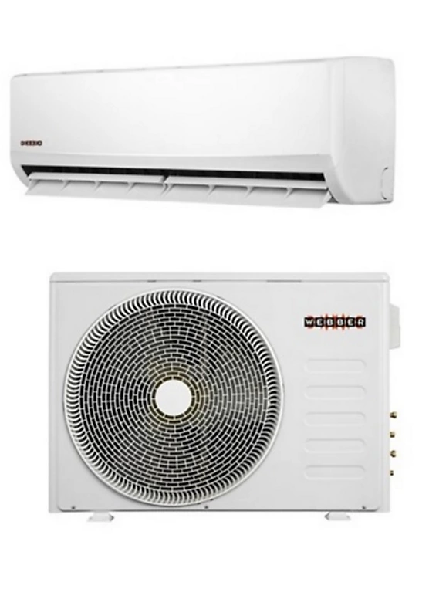
OFFER TO TAKE ALL
YOUR PRICE | € 225.00
TOT OFFER | € 180,000.00

